Instructions
QUICKSTART
1. Switch to "Calculator" sheet
FLEX LOAD INPUTS:
2. Select Flex Load type from dropdown menu in "Flex Load
Inputs" section
3. Click "Import Flex Load" button
a. You will be prompted to select an XML file
b. All inputs will be populated for you
CALCULATOR VARIABLES:
4. Select Python or CF from "Python or CF" dropdown menu
CF:
i. Enter "Start" and "Stop" times
ii. Select Month/Load Type from dropdown menu
iii. Using the "CF Data" sheet, select a "CFavg" and
enter it into the "CF Study" box under
"Coincidence"
a. "CFavg" will be based on Flex Load type
b. "CFavg" (your CF) will change based on
selected Month/Load Type and "Start" and
"Stop" times
v. Enter "CFmax" value into "CFrelative"
vi. Enter "DR Participation" value
vii. Enter "% Reachable" value
viii. Enter "Population" value
ix. Enter "Adoption Rate" value
x. All other values will be calculated for you
Python:
i.
RESULTS:
5. All results will be calculated for you
a. Use the "Fast" or "Slow" results depending on if you are
evaluating the FLUS for fast or slow regulation
LEGEND
CF: Coincidence Factor
DR: Demand Response
FLUS: Flex Load Under Study
COLOR LEGEND
Red: Instructions/Descriptions
Orange: Input Cells/Interactive
Elements
Purple: Inputs for Regulation
Calculator
Green: Calculator Variables
Blue: Results

OPTIONAL FIELDS
(NON-)IDEAL FLEX LOAD
VALUES:
METRIC COEFFICIENTS:
SCORE WEIGHTS:

Calculator
FLEX LOAD INPUTS

TECHNICAL FLEX LOAD CALCULATOR
Regulation
v5.0
7/28/2026
Alex Wardwell
 |  |  |  |  | Initial Inputs |  |  |  | Idealized Inputs
 |  |  |  |  | Generic |  |  |  | Generic
 |  |  |  |  | Name of Flex Load Under Study |  |  |  | Name of Flex Load Under Study
 |  |  |  |  | Variable | Input | Value |  | Capacity | Total Power [kW] | 0.00
 |  |  |  |  | TotPwr | Total Power [kW] |  |  |  | Regulation Capacity [kWh] | 0.00
 |  |  |  |  | RegCap | Regulation Capacity [kWh] |  |  |  | Continuous Regulation Duration [min] | 0.00
 |  |  |  |  | ContRegDur | Continuous Regulation Duration [min] |  |  | Performance | Response Time [s] | 0.00
 |  |  |  |  | ResponseTime | Response Time [s] |  |  |  | Recovery Time [s] | 0.00
 |  |  |  |  | RecoveryTime | Recovery Time [s] |  |  |  | Control Interval [s] | 0.00
OPTIONS
 |  |  |  |  | CntrlInt | Control Interval [s] |  |  | Control | Can Schedule?
 |  |  |  |  |  |  |  |  |  | App exists?
 |  |  |  |  |  |  |  |  |  | Wireless connection?
 |  |  |  |  |  |  |  |  |  | Connect to ToU data?
 |  |  |  |  |  |  |  |  | Interoperability | Open standard?
 |  |  |  |  |  |  |  |  |  | UCM/DCM ready?
 |  |  |  |  |  |  |  |  |  | Compliant?
 |  |  |  |  |  |  |  |  |  | Data Conformant?
 |  |  |  |  |  |  |  |  |  | Shift Conformant (σ)?

CALCULATOR VARIABLES
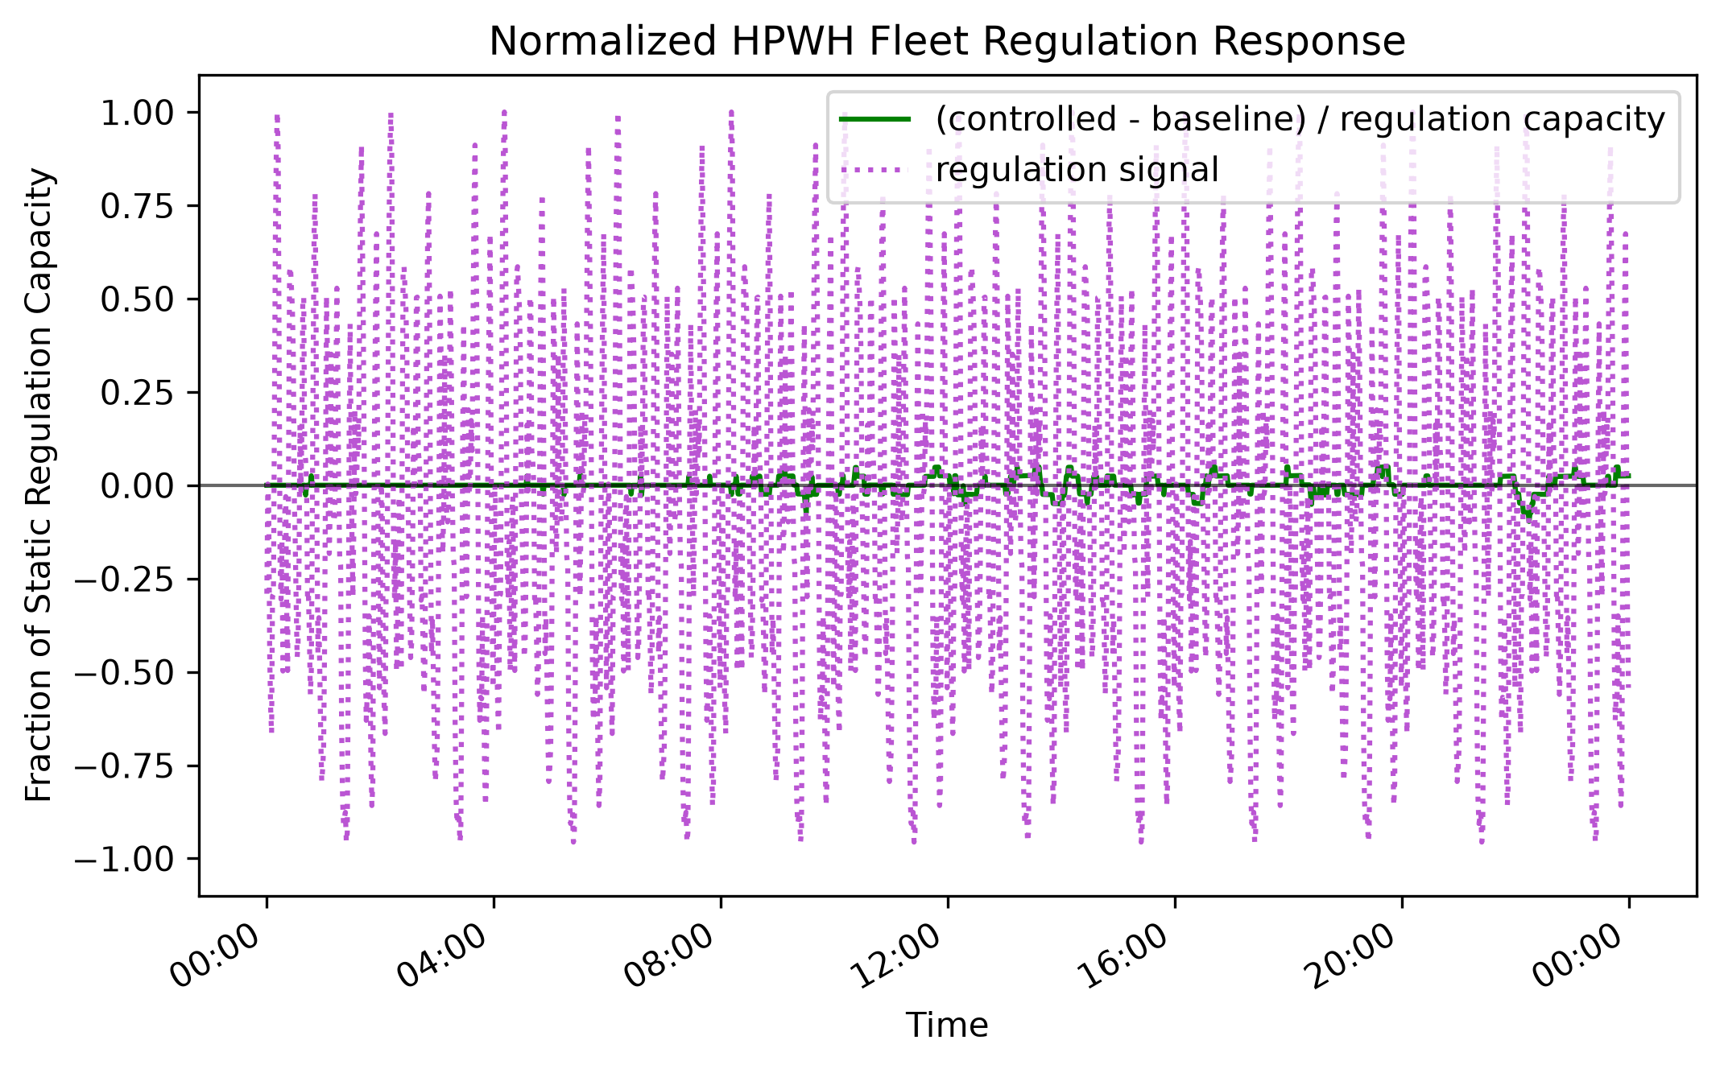

Score Weights |  | FLS Fast | SCORE | MAX |  |  |  |  |  | SCORE | MAX
W (Capacity) | 4 | Capacity | 0.00 | 10 |  |  |  |  | Performance Score (Fast) | 0.62 | 1
X (Performance) | 4 | Performance | 10.00 | 10 |  |  |  |  | Performance Score (Slow) | 0.60 | 1
Y (Control) | 1 | Control | 0.00 | 10 |  |  |  |  | DR Participation (ρ) | 1 | 1
Z (Interop.) | 1 | Interoperability | 0.00 | 10 |  |  |  |  | % Reachable (ω) | 1 | 1
 |  |  |  |  |  | Adoption
 |  | FLS Slow | SCORE | MAX |  | Population (N) | 815920 |  | Season | July
 |  | Capacity | 0.00 | 10 |  | Sample (n) | 410408 |  | Weekday/Weekend | Weekday
 |  | Performance | 10.13 | 10 |  | Adoption Rate (α) | 0.503
 |  | Control | 0.00 | 10 |  |  |  |  | Delete Previous Results? | Yes
 |  | Interoperability | 0.00 | 10 |  | Timestep (min) | 1.00

RESULTS

FLS | Score / 100 | TFP | Score / 100 |  | FLC | Score / 100 |  | FLI | Score / 100
FLS Fast | 40.00 | TFP Fast | 12.55 |  | FLC Fast | 0.00 |  | FLI Fast | 0.00
FLS Slow | 40.53 | TFP Slow | 12.27 |  | FLC Slow | 0.00 |  | FLI Slow | 0.00

Metric Coefficients
NORMALIZED LOAD

Normalized Load Under Study - Fast |  |  | Normalized Load Under Study - Slow
Capacity | Total Power [kW] | 0 | Capacity | Total Power [kW] | 0
 | Regulation Capacity [kWh] | 0 |  | Regulation Capacity [kWh] | 0
 | Continuous Regulation Duration [min] | 0 |  | Continuous Regulation Duration [min] | 0
Performance | Response Time [s] | 1 | Performance | Response Time [s] | 1.0204081633
 | Recovery Time [s] | 1 |  | Recovery Time [s] | 1
 | Control Interval [s] | 1 |  | Control Interval [s] | 1.0169491525
Control | Can Schedule? | 0 | Control | Can Schedule? | 0
 | App exists? | 0 |  | App exists? | 0
 | Wireless connection? | 0 |  | Wireless connection? | 0
 | Connect to ToU data? | 0 |  | Connect to ToU data? | 0
Interop. | Open standard? | 0 | Interop. | Open standard? | 0
 | UCM/DCM ready? | 0 |  | UCM/DCM ready? | 0
 | Compliant? | 0 |  | Compliant? | 0
 | Data Conformant? | 0 |  | Data Conformant? | 0
 | Shift Conformant (σ)? | 0 |  | Shift Conformant (σ)? | 0

INPUT WEIGHTS

Metric Coefficients
Capacity | A | 3
 | B | 3
 | C | 4
Performance | D | 4
 | E | 3
 | F | 3
Control | G | 3
 | H | 3
 | I | 2
 | J | 2
Interop. | K | 2
 | L | 2
 | M | 2
 | N | 2
 | O | 2

(Non)Ideal Flex Load
IDEAL AND NON-IDEAL VALUES

Ideal Flex Load - Fast |  |  | Non-Ideal Flex Load - Fast
Capacity | Total Power [kW] | 10.5 | Capacity | Total Power [kW] | 0
 | Regulation Capacity [kWh] | 70 |  | Regulation Capacity [kWh] | 0
 | Continuous Regulation Duration [min] | 1440 |  | Continuous Regulation Duration [min] | 0
Performance | Response Time [s] | 0 | Performance | Response Time [s] | 30
 | Recovery Time [s] | 0 |  | Recovery Time [s] | 7200
 | Control Interval [s] | 0 |  | Control Interval [s] | 1500
Control | Can Schedule? | Yes | Control | Can Schedule? | No
 | App exists? | Yes |  | App exists? | No
 | Wireless connection? | Yes |  | Wireless connection? | No
 | Connect to ToU data? | Yes |  | Connect to ToU data? | No
Interop. | Open standard? | Yes | Interop. | Open standard? | No
 | UCM/DCM ready? | Yes |  | UCM/DCM ready? | No
 | Compliant? | Yes |  | Compliant? | No
 | Data Conformant? | 1 |  | Data Conformant? | 0
 | Shift Conformant (σ)? | 1 |  | Shift Conformant (σ)? | 0

Ideal Flex Load - Slow |  |  | Non-Ideal Flex Load - Slow
Capacity | Total Power [kW] | 10.5 | Capacity | Total Power [kW] | 0
 | Regulation Capacity [kWh] | 70 |  | Regulation Capacity [kWh] | 0
 | Continuous Regulation Duration [min] | 1440 |  | Continuous Regulation Duration [min] | 0
Performance | Response Time [s] | 30 | Performance | Response Time [s] | 1500
 | Recovery Time [s] | 0 |  | Recovery Time [s] | 7200
 | Control Interval [s] | 120 |  | Control Interval [s] | 7200
Control | Can Schedule? | Yes | Control | Can Schedule? | No
 | App exists? | Yes |  | App exists? | No
 | Wireless connection? | Yes |  | Wireless connection? | No
 | Connect to ToU data? | Yes |  | Connect to ToU data? | No
Interop. | Open standard? | Yes | Interop. | Open standard? | No
 | UCM/DCM ready? | Yes |  | UCM/DCM ready? | No
 | Compliant? | Yes |  | Compliant? | No
 | Data Conformant? | 1 |  | Data Conformant? | 0
 | Shift Conformant (σ)? | 1 |  | Shift Conformant (σ)? | 0

LME Demand
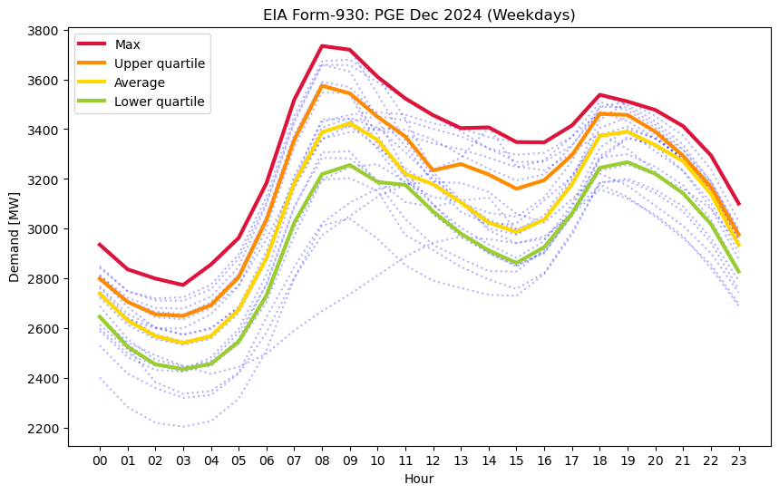
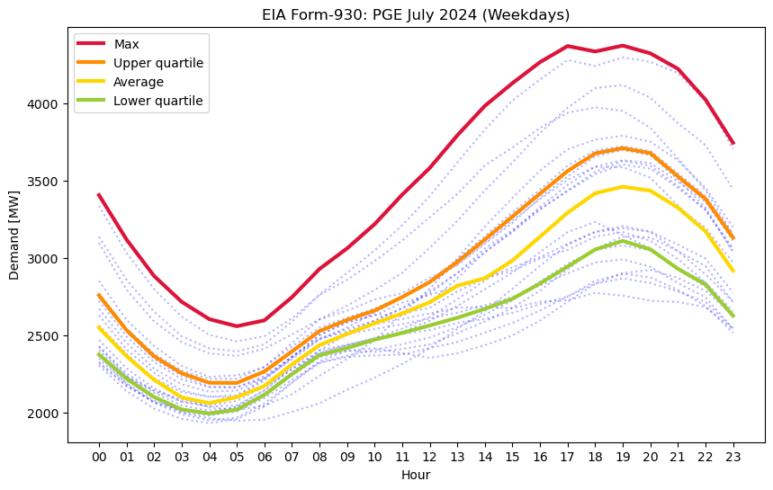
15min intervals only |  |  |  |  | 15min intervals only
Utility | PGE |  |  |  | Utility | PGE |  |  |  | START/STOP values will copy over from the front page. COPY/PASTE Load data below.
start | 18:00:00 |  |  |  | start | 18:00:00
stop | 21:00:00 |  |  |  | stop | 21:00:00

Peak E [MWh] | Max | Upper | Average | Lower | Peak E [MWh] | Max | Upper | Average | Lower
 | 11332 | 11068 | 10878 | 10479 |  | 14051 | 11893 | 11113 | 9907

December |  |  |  |  | July
Time | Max | Upper | Average | Lower | Time | Max | Upper | Average | Lower
0:00:00 | 2936.00 | 2799.5 | 2739.5 | 2646 | 0:00:00 | 3407.00 | 2758 | 2548 | 2375
0:15:00 | 2911.25 | 2776.25 | 2712.75 | 2616.0625 | 0:15:00 | 3335.00 | 2701.625 | 2502 | 2335.75
0:30:00 | 2886.50 | 2753 | 2686.00 | 2586.125 | 0:30:00 | 3263.00 | 2645.25 | 2456.00 | 2296.5
0:45:00 | 2861.75 | 2729.75 | 2659.25 | 2556.1875 | 0:45:00 | 3191.00 | 2588.875 | 2410 | 2257.25
1:00:00 | 2837.00 | 2706.5 | 2632.5 | 2526.25 | 1:00:00 | 3119.00 | 2532.5 | 2364 | 2218
1:15:00 | 2827.75 | 2693.9375 | 2616.75 | 2508.5 | 1:15:00 | 3060.00 | 2490.125 | 2325.75 | 2188.375
1:30:00 | 2818.50 | 2681.375 | 2601 | 2490.75 | 1:30:00 | 3001.00 | 2447.75 | 2287.5 | 2158.75
1:45:00 | 2809.25 | 2668.8125 | 2585.25 | 2473 | 1:45:00 | 2942.00 | 2405.375 | 2249.25 | 2129.125
2:00:00 | 2800.00 | 2656.25 | 2569.5 | 2455.25 | 2:00:00 | 2883.00 | 2363 | 2211 | 2099.5
2:15:00 | 2793.50 | 2654.5625 | 2562.5 | 2450.5 | 2:15:00 | 2841.25 | 2335.625 | 2182.5 | 2079.375
2:30:00 | 2787.00 | 2652.875 | 2555.5 | 2445.75 | 2:30:00 | 2799.50 | 2308.25 | 2154 | 2059.25
2:45:00 | 2780.50 | 2651.1875 | 2548.5 | 2441 | 2:45:00 | 2757.75 | 2280.875 | 2125.5 | 2039.125
3:00:00 | 2774.00 | 2649.5 | 2541.5 | 2436.25 | 3:00:00 | 2716.00 | 2253.5 | 2097 | 2019
3:15:00 | 2794.50 | 2660.375 | 2548.25 | 2441.5 | 3:15:00 | 2688.00 | 2238.125 | 2087.75 | 2012.5
3:30:00 | 2815.00 | 2671.25 | 2555 | 2446.75 | 3:30:00 | 2660.00 | 2222.75 | 2078.5 | 2006
3:45:00 | 2835.50 | 2682.125 | 2561.75 | 2452 | 3:45:00 | 2632.00 | 2207.375 | 2069.25 | 1999.5
4:00:00 | 2856.00 | 2693 | 2568.5 | 2457.25 | 4:00:00 | 2604.00 | 2192 | 2060 | 1993
4:15:00 | 2882.75 | 2721 | 2595.25 | 2479.5625 | 4:15:00 | 2592.50 | 2191.75 | 2069.75 | 1999.25
4:30:00 | 2909.50 | 2749 | 2622 | 2501.875 | 4:30:00 | 2581.00 | 2191.5 | 2079.5 | 2005.5
4:45:00 | 2936.25 | 2777 | 2648.75 | 2524.1875 | 4:45:00 | 2569.50 | 2191.25 | 2089.25 | 2011.75
5:00:00 | 2963.00 | 2805 | 2675.5 | 2546.5 | 5:00:00 | 2558.00 | 2191 | 2099 | 2018
5:15:00 | 3018.00 | 2862.625 | 2726.875 | 2593 | 5:15:00 | 2567.50 | 2209.375 | 2117 | 2041.875
5:30:00 | 3073.00 | 2920.25 | 2778.25 | 2639.5 | 5:30:00 | 2577.00 | 2227.75 | 2135 | 2065.75
5:45:00 | 3128.00 | 2977.875 | 2829.625 | 2686 | 5:45:00 | 2586.50 | 2246.125 | 2153 | 2089.625
6:00:00 | 3183.00 | 3035.5 | 2881 | 2732.5 | 6:00:00 | 2596.00 | 2264.5 | 2171 | 2113.5
6:15:00 | 3266.75 | 3115.8125 | 2956.25 | 2805.375 | 6:15:00 | 2633.50 | 2297.125 | 2206 | 2147
6:30:00 | 3350.50 | 3196.125 | 3031.5 | 2878.25 | 6:30:00 | 2671.00 | 2329.75 | 2241 | 2180.5
6:45:00 | 3434.25 | 3276.4375 | 3106.75 | 2951.125 | 6:45:00 | 2708.50 | 2362.375 | 2276 | 2214
7:00:00 | 3518.00 | 3356.75 | 3182 | 3024 | 7:00:00 | 2746.00 | 2395 | 2311 | 2247.5
7:15:00 | 3572.00 | 3411.0625 | 3233.25 | 3072.75 | 7:15:00 | 2791.75 | 2427.875 | 2342.25 | 2278.25
7:30:00 | 3626.00 | 3465.375 | 3284.5 | 3121.5 | 7:30:00 | 2837.50 | 2460.75 | 2373.5 | 2309
7:45:00 | 3680.00 | 3519.6875 | 3335.75 | 3170.25 | 7:45:00 | 2883.25 | 2493.625 | 2404.75 | 2339.75
8:00:00 | 3734.00 | 3574 | 3387 | 3219 | 8:00:00 | 2929.00 | 2526.5 | 2436 | 2370.5
8:15:00 | 3730.25 | 3566.4375 | 3396.125 | 3228.1875 | 8:15:00 | 2962.25 | 2544.5 | 2454 | 2382
8:30:00 | 3726.50 | 3558.875 | 3405.25 | 3237.375 | 8:30:00 | 2995.50 | 2562.5 | 2472 | 2393.5
8:45:00 | 3722.75 | 3551.3125 | 3414.375 | 3246.5625 | 8:45:00 | 3028.75 | 2580.5 | 2490 | 2405
9:00:00 | 3719.00 | 3543.75 | 3423.5 | 3255.75 | 9:00:00 | 3062.00 | 2598.5 | 2508 | 2416.5
9:15:00 | 3691.75 | 3520.1875 | 3406.875 | 3238.75 | 9:15:00 | 3101.25 | 2613.75 | 2525.25 | 2430.125
9:30:00 | 3664.50 | 3496.625 | 3390.25 | 3221.75 | 9:30:00 | 3140.50 | 2629 | 2542.5 | 2443.75
9:45:00 | 3637.25 | 3473.0625 | 3373.625 | 3204.75 | 9:45:00 | 3179.75 | 2644.25 | 2559.75 | 2457.375
10:00:00 | 3610.00 | 3449.5 | 3357 | 3187.75 | 10:00:00 | 3219.00 | 2659.5 | 2577 | 2471
10:15:00 | 3588.25 | 3429.6875 | 3322.75 | 3184.8125 | 10:15:00 | 3266.75 | 2681.375 | 2593 | 2481.875
10:30:00 | 3566.50 | 3409.875 | 3288.5 | 3181.875 | 10:30:00 | 3314.50 | 2703.25 | 2609 | 2492.75
10:45:00 | 3544.75 | 3390.0625 | 3254.25 | 3178.9375 | 10:45:00 | 3362.25 | 2725.125 | 2625 | 2503.625
11:00:00 | 3523.00 | 3370.25 | 3220 | 3176 | 11:00:00 | 3410.00 | 2747 | 2641 | 2514.5
11:15:00 | 3506.25 | 3336.25 | 3209.75 | 3149.3125 | 11:15:00 | 3453.25 | 2771.375 | 2659 | 2526.625
11:30:00 | 3489.50 | 3302.25 | 3199.5 | 3122.625 | 11:30:00 | 3496.50 | 2795.75 | 2677 | 2538.75
11:45:00 | 3472.75 | 3268.25 | 3189.25 | 3095.9375 | 11:45:00 | 3539.75 | 2820.125 | 2695 | 2550.875
12:00:00 | 3456.00 | 3234.25 | 3179 | 3069.25 | 12:00:00 | 3583.00 | 2844.5 | 2713 | 2563
12:15:00 | 3443.00 | 3240.625 | 3160.75 | 3047 | 12:15:00 | 3635.75 | 2877 | 2739.75 | 2575.5
12:30:00 | 3430.00 | 3247 | 3142.5 | 3024.75 | 12:30:00 | 3688.50 | 2909.5 | 2766.5 | 2588
12:45:00 | 3417.00 | 3253.375 | 3124.25 | 3002.5 | 12:45:00 | 3741.25 | 2942 | 2793.25 | 2600.5
13:00:00 | 3404.00 | 3259.75 | 3106 | 2980.25 | 13:00:00 | 3794.00 | 2974.5 | 2820 | 2613
13:15:00 | 3404.75 | 3249.25 | 3085.625 | 2963.4375 | 13:15:00 | 3841.75 | 3010.875 | 2832.25 | 2627.375
13:30:00 | 3405.50 | 3238.75 | 3065.25 | 2946.625 | 13:30:00 | 3889.50 | 3047.25 | 2844.5 | 2641.75
13:45:00 | 3406.25 | 3228.25 | 3044.875 | 2929.8125 | 13:45:00 | 3937.25 | 3083.625 | 2856.75 | 2656.125
14:00:00 | 3407.00 | 3217.75 | 3024.5 | 2913 | 14:00:00 | 3985.00 | 3120 | 2869 | 2670.5
14:15:00 | 3392.25 | 3203.4375 | 3015.125 | 2900.4375 | 14:15:00 | 4021.75 | 3157 | 2897.5 | 2686.875
14:30:00 | 3377.50 | 3189.125 | 3005.75 | 2887.875 | 14:30:00 | 4058.50 | 3194 | 2926 | 2703.25
14:45:00 | 3362.75 | 3174.8125 | 2996.375 | 2875.3125 | 14:45:00 | 4095.25 | 3231 | 2954.5 | 2719.625
15:00:00 | 3348.00 | 3160.5 | 2987 | 2862.75 | 15:00:00 | 4132.00 | 3268 | 2983 | 2736
15:15:00 | 3347.75 | 3169.125 | 2999.375 | 2878.625 | 15:15:00 | 4166.00 | 3305.25 | 3021.75 | 2760.75
15:30:00 | 3347.50 | 3177.75 | 3011.75 | 2894.5 | 15:30:00 | 4200.00 | 3342.5 | 3060.5 | 2785.5
15:45:00 | 3347.25 | 3186.375 | 3024.125 | 2910.375 | 15:45:00 | 4234.00 | 3379.75 | 3099.25 | 2810.25
16:00:00 | 3347.00 | 3195 | 3036.5 | 2926.25 | 16:00:00 | 4268.00 | 3417 | 3138 | 2835
16:15:00 | 3364.00 | 3220.25 | 3072.125 | 2960.0625 | 16:15:00 | 4294.00 | 3453.5 | 3176.75 | 2862.25
16:30:00 | 3381.00 | 3245.5 | 3107.75 | 2993.875 | 16:30:00 | 4320.00 | 3490 | 3215.5 | 2889.5
16:45:00 | 3398.00 | 3270.75 | 3143.375 | 3027.6875 | 16:45:00 | 4346.00 | 3526.5 | 3254.25 | 2916.75
17:00:00 | 3415.00 | 3296 | 3179.00 | 3061.5 | 17:00:00 | 4372.00 | 3563 | 3293.00 | 2944
17:15:00 | 3445.75 | 3337.3125 | 3227.625 | 3107.25 | 17:15:00 | 4363.25 | 3591.5 | 3324.5 | 2971.75
17:30:00 | 3476.50 | 3378.625 | 3276.25 | 3153 | 17:30:00 | 4354.50 | 3620 | 3356 | 2999.5
17:45:00 | 3507.25 | 3419.9375 | 3324.875 | 3198.75 | 17:45:00 | 4345.75 | 3648.5 | 3387.5 | 3027.25
18:00:00 | 3538.00 | 3461.25 | 3373.5 | 3244.5 | 18:00:00 | 4337.00 | 3677 | 3419 | 3055
18:15:00 | 3531.25 | 3460.1875 | 3377.5 | 3250.25 | 18:15:00 | 4346.50 | 3685.5 | 3429.5 | 3068.875
18:30:00 | 3524.50 | 3459.125 | 3381.5 | 3256 | 18:30:00 | 4356.00 | 3694 | 3440 | 3082.75
18:45:00 | 3517.75 | 3458.0625 | 3385.5 | 3261.75 | 18:45:00 | 4365.50 | 3702.5 | 3450.5 | 3096.625
19:00:00 | 3511.00 | 3457 | 3389.5 | 3267.5 | 19:00:00 | 4375.00 | 3711 | 3461 | 3110.5
19:15:00 | 3502.50 | 3440.25 | 3376 | 3255.6875 | 19:15:00 | 4362.50 | 3703 | 3454.75 | 3096.875
19:30:00 | 3494.00 | 3423.5 | 3362.5 | 3243.875 | 19:30:00 | 4350.00 | 3695 | 3448.5 | 3083.25
19:45:00 | 3485.50 | 3406.75 | 3349 | 3232.0625 | 19:45:00 | 4337.50 | 3687 | 3442.25 | 3069.625
20:00:00 | 3477.00 | 3390 | 3335.5 | 3220.25 | 20:00:00 | 4325.00 | 3679 | 3436 | 3056
20:15:00 | 3460.75 | 3365.625 | 3319.375 | 3200.75 | 20:15:00 | 4300.00 | 3641.375 | 3408.5 | 3024.5
20:30:00 | 3444.50 | 3341.25 | 3303.25 | 3181.25 | 20:30:00 | 4275.00 | 3603.75 | 3381 | 2993
20:45:00 | 3428.25 | 3316.875 | 3287.125 | 3161.75 | 20:45:00 | 4250.00 | 3566.125 | 3353.5 | 2961.5
21:00:00 | 3412.00 | 3292.5 | 3271 | 3142.25 | 21:00:00 | 4225.00 | 3528.5 | 3326 | 2930
21:15:00 | 3382.75 | 3261.3125 | 3238.25 | 3111.4375 | 21:15:00 | 4175.25 | 3492 | 3287.75 | 2904.625
21:30:00 | 3353.50 | 3230.125 | 3205.5 | 3080.625 | 21:30:00 | 4125.50 | 3455.5 | 3249.5 | 2879.25
21:45:00 | 3324.25 | 3198.9375 | 3172.75 | 3049.8125 | 21:45:00 | 4075.75 | 3419 | 3211.25 | 2853.875
22:00:00 | 3295.00 | 3167.75 | 3140 | 3019 | 22:00:00 | 4026.00 | 3382.5 | 3173 | 2828.5
22:15:00 | 3246.50 | 3119.875 | 3088.75 | 2971.1875 | 22:15:00 | 3956.00 | 3319.875 | 3109.25 | 2778
22:30:00 | 3198.00 | 3072 | 3037.5 | 2923.375 | 22:30:00 | 3886.00 | 3257.25 | 3045.5 | 2727.5
22:45:00 | 3149.50 | 3024.125 | 2986.25 | 2875.5625 | 22:45:00 | 3816.00 | 3194.625 | 2981.75 | 2677
23:00:00 | 3101.00 | 2976.25 | 2935 | 2827.75 | 23:00:00 | 3746.00 | 3132 | 2918 | 2626.5
23:15:00 | 3059.75 | 2932.0625 | 2886.125 | 2782.3125 | 23:15:00 | 3661.25 | 3038.5 | 2825.5 | 2563.625
23:30:00 | 3018.50 | 2887.875 | 2837.25 | 2736.875 | 23:30:00 | 3576.50 | 2945 | 2733 | 2500.75
23:45:00 | 2977.25 | 2843.6875 | 2788.375 | 2691.4375 | 23:45:00 | 3491.75 | 2851.5 | 2640.5 | 2437.875

